CODIGO DE COLORES
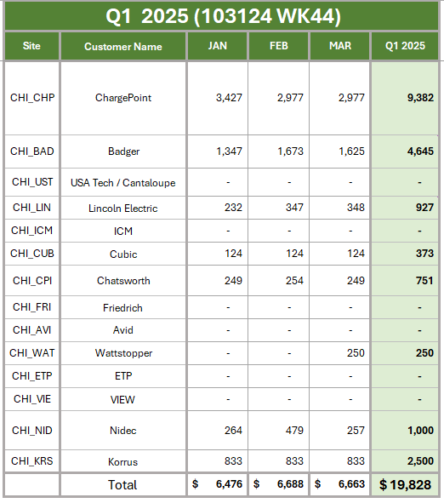
CODIGO DE COLOR
 | Piezas que estan Clear y no tienen ningun otro problema
ROJO | Piezas que ya deben correr pero estan afectadas por un corto de material
AMARILLO | Piezas que estan afectadas con un corto, pero el corto llega en esa semana y SI salen las piezas.
AZUL | Piezas que ya tienen pero que estan en diagnostico y reparacion.
NARANJA | Piezas que tienen un problema de capacidad (Head Count)
OTROS | Piezas afectadas por problemas diferentes a los arriba mencionados

desviacion
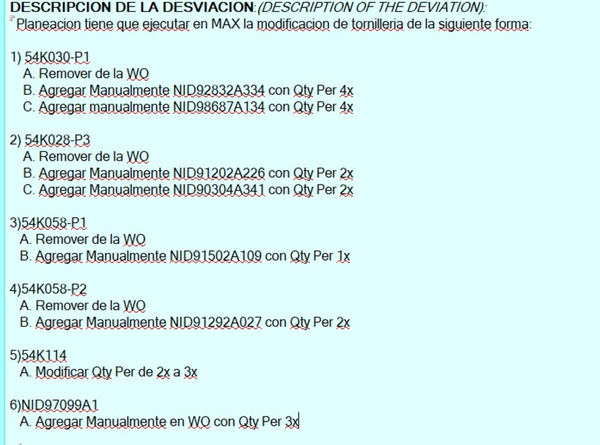

 |  |  |  |  |  |  |  | DN10695

 |  |  |  |  |  |  | corto 334 | 180pcs
 |  |  |  |  |  |  | corto 134 | 180pcs

 |  |  |  |  |  |  | corto 032 | 240pcs

 |  |  |  |  |  |  | componente | comentario
 |  |  |  |  |  |  | NID54K028-P1
 |  |  |  |  |  |  | NID54K032
 |  |  |  |  |  |  | NID91292A027
 |  |  |  |  |  |  | NID92832A334
 |  |  |  |  |  |  | NID98687A134

 |  |  |  |  |  |  | NID54K028-P3 | se sustituye por NID90304A341 & NID91202A226
 |  |  |  |  |  |  | NID54K030-P1 | Y.- usando NID92832A334& NID98687A134
 |  |  |  |  |  |  | NID54K058-P1 | se usan NID91502A109
 |  |  |  |  |  |  | NID54K058-P2 | NID91292A027
 |  |  |  |  |  |  | NIDKCQ0291 | R.- not source // RR program-- se esta usando NIDKCQ0236

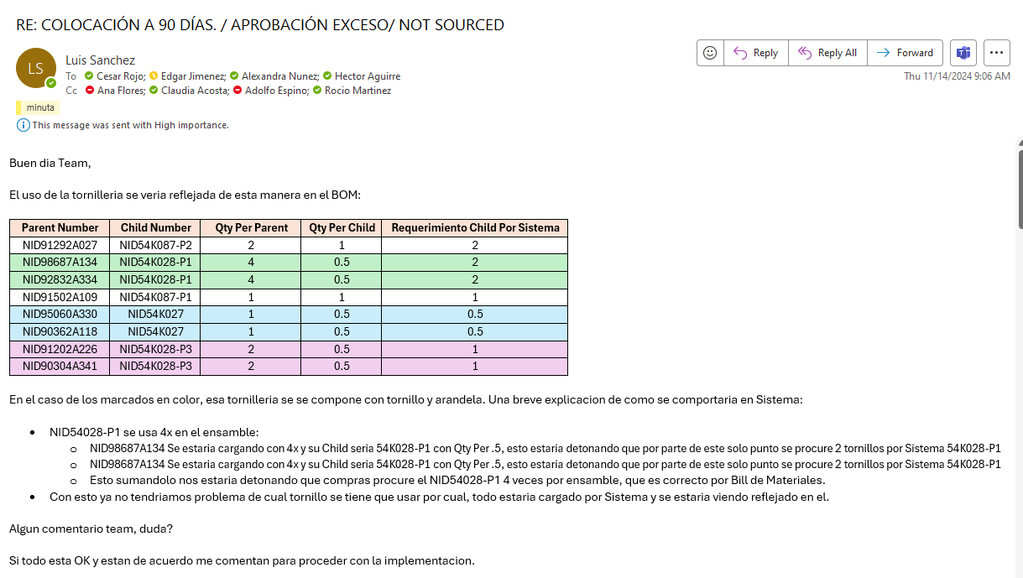

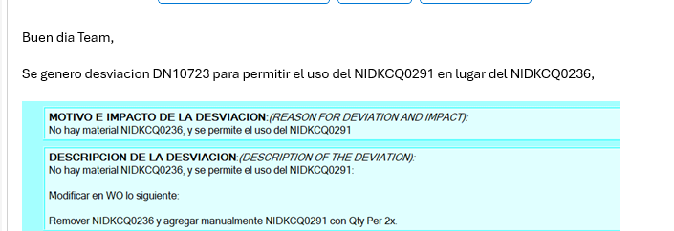

 |  |  |  |  |  |  |  | DN10723

 |  |  |  |  |  |  |  | NIDKCQ0291

 | rate actual
RR solo | 12 uph | a dos turnos las dos lineas dedicadas a RR rate 1920 por semana | 18 personas por turno |  |  |  | 5760
 |  |  |  |  |  |  | 300
 |  |  |  |  |  |  | 6060

ola | dos turnos | 6 personas por turno | no se ha validado rate | tentativo 30 uph | 1200 por semana
ersa | un turno | 3 personas | no se ha validado rate

rate actual
ERSA | 1 pallet 9uph | 4 pallets 29 uph
WAVE | 26 uph

 |  |  |  | surtieron | faltan | llegan 12-9 | wo action
carcasa | NIDKCCA0278-P1 | 30830027 | 70 | 60 | 10 | 892 | 9
 | NIDKCCA0278-P2 | 30830028 | 130 | 56 | 74 | 630 | 159

 | 200 wabe | BE |  | req | me faltan
 | 70 | 60 | p1 | 135 | -75
 | 130 | 22 | p2 | 285 | 263
 |  |  | tablilla |  |  | 360 | $94,122
 |  |  | 200 | ola |  | 400 | $31,200
 |  |  | 64 | be |  |  | $125,322 | $205,762
 |  |  | 100 | SMD |  |  | 80440

 | cables duplicados | MX24784
 | NIDKCWH0123
 | NIDKCWH0125

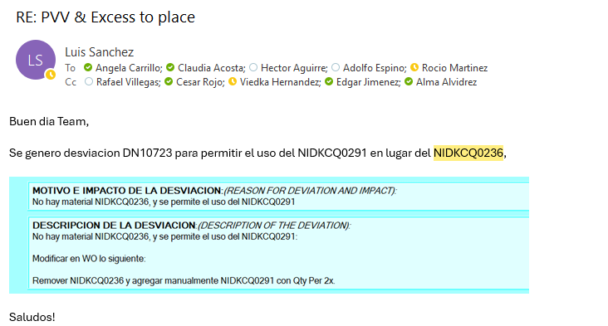

 |  |  |  |  |  |  |  | DN10723

 |  |  |  |  |  |  |  | NIDKCQ0291

